Risk Heat Map
Likelihood

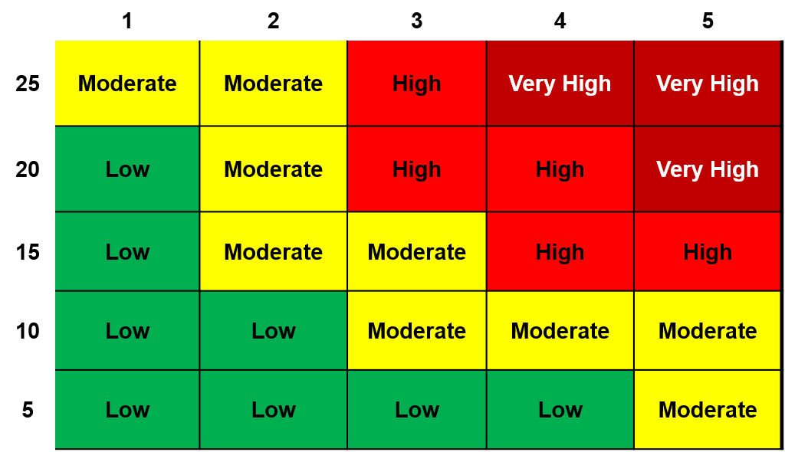

Consequence
Risk Ratings
Level | Range
Low | <21
Medium | 21 - 59
High | 60 - 99
Very High | > 99

Criticality Ratings
Level | Range
Low | <11
Medium | 11 - 15
High | 16 - 20
Very High | > 20

